JS
Base
 | js code is process like other page from top to bottom, note it when placing dependent js

Variables
 | dynamic types, same variable could hold different types during runtime
 | definition > var a;
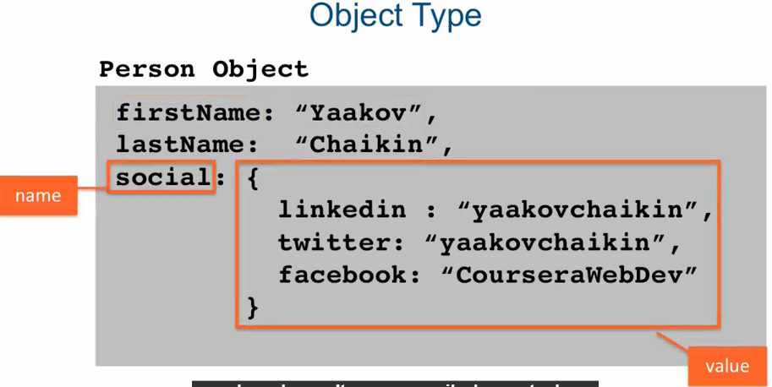
 | built-in types > 6 primitives & object
 | object > collection of name-value pairs (could be blank)

 | primitive - single immutable value (once set it cannot be changed > readonly)
 |  | it is possible to create another value based on this value but the memory space allocated for first value is not changes > created new memory space for result value

 | boolean > true/false (reserved keywords)
 | undefined > lack of definition but memory space has been allocated > no value has ever been set; js engine define variable but never assign to it anything; it is possible to set variable to undefined but not recommended
 | null > lack of value
 | number > the only number tybe in js, represent double persicion 64bit floating point
 | string > seq of chars to represent text, define as "text" or 'text'
 | symbol > ?

 | Sample: | C:\Users\Anik\Desktop\New Job\Notes\js\Variables
Q |  | what happens when var x = new object(); x.a = "aaa"; > js just creates it for you

 | objects
 |  | var ob = new Object(); or var ob = {};
 |  | z.name is same z["name"] or it is possible z["name with space"]
 |  | it is possible to set field name into variable var x = "aa bb" & call z[x]

 |  | var x = {a: 10, b:12}; > object literal syntax

Functions and scope
 | definition > var a = function() {};
 | all arguments defined in js function are optional

 | global scope and function (lexical scope)
 | no block scope > function signifying new scope; it is possible to define functions within other functions

 | Execution context (everything is executed there)
 |  | function invocation creates new execution context where it is executed, execution context has:
 |  |  | its own function environment
 |  |  | this object
 |  |  | reference to its outer environment (execution env within it function defined) |  | to add code sample (lectuire 41, part 2)
 |  | Scope chain > referenced (not defined variable) first searched in curr scope > then in outer > if not found again in outer > till global scope > if not found - undefined
 |  | E.g:
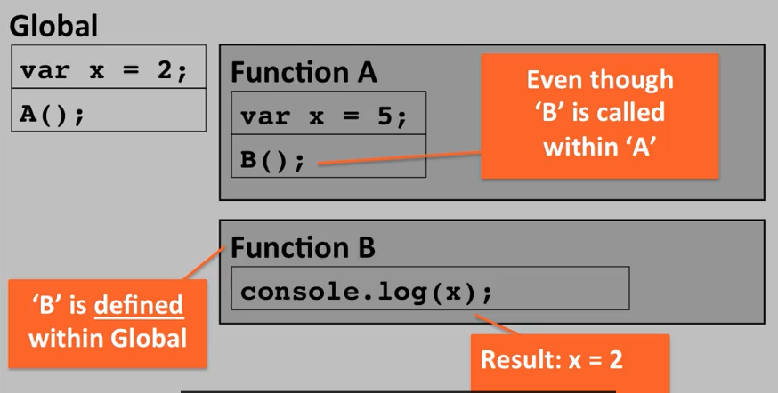

 | it is possible to pass function as an argument, return as a result of another function
Sample | C:\Users\Anik\Desktop\New Job\Notes\js\Function definition\functions.js

Common language constructs
 | for loop, curly braces style, strict equality
 | false > false || null || undefined || "" || 0 || NaN
 | true > true && "hello" && 1 && -1 && "false" (true, not blank string, not 0)

 | in case x == y, x & y are different types -> js automatically convert types, so "4" == 4, to avoid such behaviour use ===

 | || check from left to right
 | wrapper e.g. Boolean(z)
Sample | C:\Users\Anik\Desktop\New Job\Notes\js\Common language constructs

 | function a()
 | {
 | return | js places ; here -> so undefined instead of value
 | {
 | "value"
 | }
 | }

 | set default values
 |  | x = x || "default val" |  | if x undefined (false) js evaluates next expression > non empty string (true) and returns not coersioned value
 |  | false || "sad" > "sad"

